expected timeline
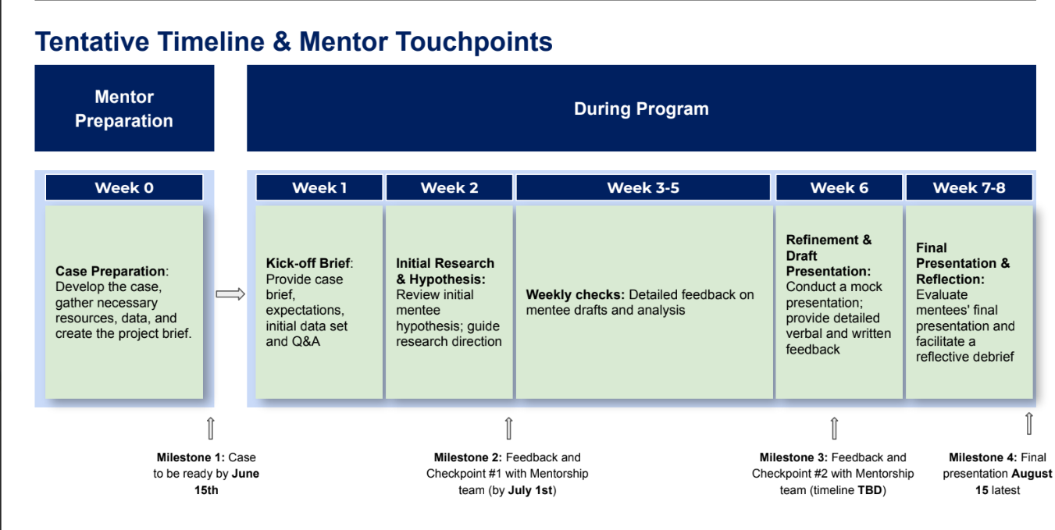
Timeline
2025-06-15 | submit the case >> send case to mentee
2025-06-22 | 1st meeting mentor for PDP review & brief the case and output expectation
2025-07-06 | 1st feedback
2025-07-20 | 2nd feedback
2025-07-27 | final output
2025-08-03 | final slides + mock presentation
2025-08-15 | final presentation

